Table 1
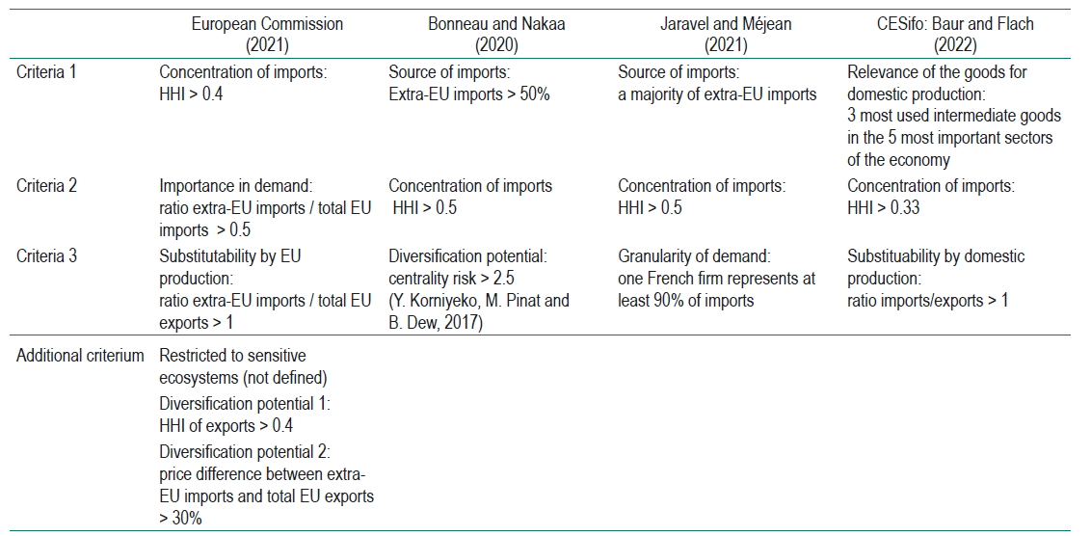
Title | Classification criteria for dependent products
Sources | EC (2021), Bonneau and Nakaa (2020), Jaravel and Méjean (2021) and Baur and Flach (2022)

Figure 1
Title | Number of dependent products
Source | Authors’ computation from CEPII, BACI database

 | Year | Dependency
 | 1996 | 305
 | 1997 | 320
 | 1998 | 314
 | 1999 | 314
 | 2000 | 351
 | 2001 | 330
 | 2002 | 330
 | 2003 | 327
 | 2004 | 320
 | 2005 | 333
 | 2006 | 325
 | 2007 | 380
 | 2008 | 410
 | 2009 | 383
 | 2010 | 423
 | 2011 | 392
 | 2012 | 400
 | 2013 | 381
 | 2014 | 402
 | 2015 | 394
 | 2016 | 355
 | 2017 | 336
 | 2018 | 334
 | 2019 | 353

Figure 2
Title | Dependent products by sector
Source | Authors’ computation from CEPII, BACI database

 | Year | Agrifood | Chemicals | Pharmaceuticals | Siderurgy | Defense | Transport | Electronics | Other | Dependency_strat | Dependency
 | 1996 | 4 | 51 | 8 | 17 | 4 | 4 | 32 | 185 | 120 | 305
 | 1997 | 5 | 53 | 9 | 27 | 2 | 5 | 28 | 191 | 129 | 320
 | 1998 | 4 | 51 | 15 | 16 | 3 | 4 | 29 | 192 | 122 | 314
 | 1999 | 5 | 54 | 13 | 23 | 3 | 4 | 34 | 178 | 136 | 314
 | 2000 | 6 | 58 | 17 | 17 | 4 | 3 | 41 | 205 | 146 | 351
 | 2001 | 6 | 60 | 14 | 22 | 4 | 3 | 37 | 184 | 146 | 330
 | 2002 | 6 | 55 | 13 | 20 | 2 | 1 | 33 | 200 | 130 | 330
 | 2003 | 4 | 55 | 8 | 19 | 1 | 2 | 28 | 210 | 117 | 327
 | 2004 | 3 | 55 | 10 | 19 | 1 | 0 | 30 | 202 | 118 | 320
 | 2005 | 2 | 54 | 10 | 21 | 1 | 2 | 24 | 219 | 114 | 333
 | 2006 | 1 | 59 | 13 | 18 | 1 | 2 | 21 | 210 | 115 | 325
 | 2007 | 2 | 67 | 16 | 20 | 2 | 1 | 32 | 240 | 140 | 380
 | 2008 | 2 | 64 | 17 | 24 | 2 | 2 | 33 | 266 | 144 | 410
 | 2009 | 2 | 64 | 10 | 23 | 2 | 1 | 35 | 246 | 137 | 383
 | 2010 | 6 | 74 | 13 | 25 | 2 | 3 | 33 | 267 | 156 | 423
 | 2011 | 3 | 66 | 14 | 23 | 1 | 0 | 27 | 258 | 134 | 392
 | 2012 | 2 | 61 | 14 | 24 | 1 | 0 | 34 | 264 | 136 | 400
 | 2013 | 2 | 59 | 13 | 26 | 0 | 1 | 30 | 250 | 131 | 381
 | 2014 | 1 | 66 | 16 | 23 | 3 | 0 | 28 | 265 | 137 | 402
 | 2015 | 2 | 67 | 13 | 20 | 2 | 0 | 38 | 252 | 142 | 394
 | 2016 | 4 | 52 | 13 | 16 | 1 | 0 | 31 | 238 | 117 | 355
 | 2017 | 4 | 64 | 12 | 16 | 1 | 0 | 19 | 220 | 116 | 336
 | 2018 | 3 | 63 | 15 | 16 | 0 | 0 | 20 | 217 | 117 | 334
 | 2019 | 4 | 77 | 11 | 17 | 2 | 1 | 22 | 219 | 134 | 353

Figure 3
Title | Main exporters of dependent products
Subtitle | Origins of dependent products
Notes | For each dependent product, we keep the main supplier to the EU and aggregate over all dependent products. USA = United States, CHN = China, GBR = United Kingdom, IDN = Indonesia, MAR = Morocco, PHL = Philippines, IND = India
Reading note | In 1996, the EU had 55 dependent products for which the first supplier country was the United States, 47 China and 40 the United Kingdom
Source | Authors’ computation from CEPII, BACI database

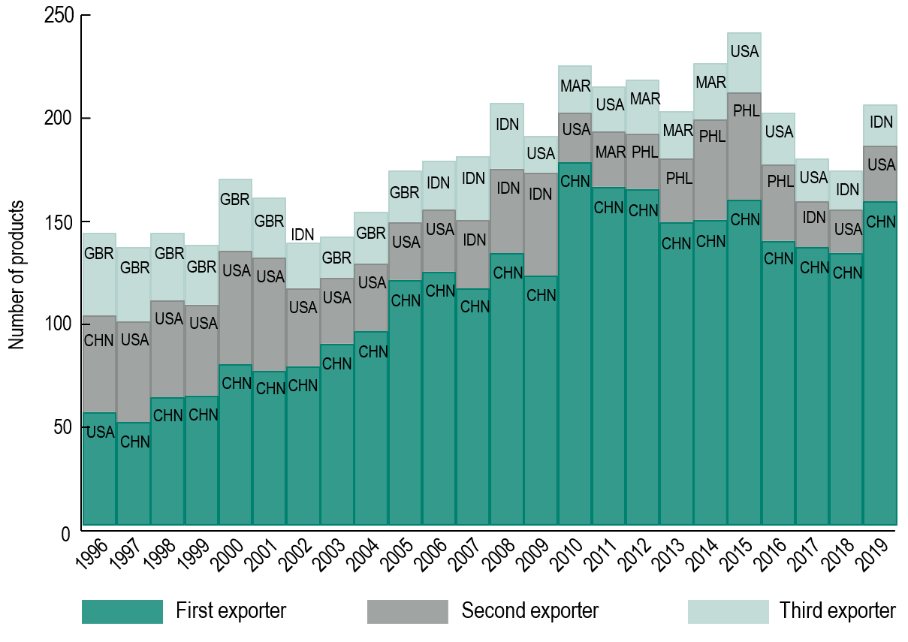
 | Country code | Year | Dependency
 | USA | 1996 | 55
 | CHN | 1996 | 47
 | GBR | 1996 | 40
 | CHN | 1997 | 50
 | USA | 1997 | 49
 | GBR | 1997 | 36
 | CHN | 1998 | 62
 | USA | 1998 | 47
 | GBR | 1998 | 33
 | CHN | 1999 | 63
 | USA | 1999 | 44
 | GBR | 1999 | 29
 | CHN | 2000 | 78
 | USA | 2000 | 55
 | GBR | 2000 | 35
 | CHN | 2001 | 75
 | USA | 2001 | 55
 | GBR | 2001 | 29
 | CHN | 2002 | 77
 | USA | 2002 | 38
 | IND | 2002 | 22
 | CHN | 2003 | 88
 | USA | 2003 | 32
 | GBR | 2003 | 20
 | CHN | 2004 | 94
 | USA | 2004 | 33
 | GBR | 2004 | 25
 | CHN | 2005 | 119
 | USA | 2005 | 28
 | GBR | 2005 | 25
 | CHN | 2006 | 123
 | USA | 2006 | 30
 | IND | 2006 | 24
 | CHN | 2007 | 115
 | IND | 2007 | 33
 | IDN | 2007 | 31
 | CHN | 2008 | 132
 | IDN | 2008 | 41
 | IND | 2008 | 32
 | CHN | 2009 | 121
 | IDN | 2009 | 50
 | USA | 2009 | 18
 | CHN | 2010 | 176
 | USA | 2010 | 24
 | MAR | 2010 | 23
 | CHN | 2011 | 164
 | MAR | 2011 | 27
 | USA | 2011 | 22
 | CHN | 2012 | 163
 | PHL | 2012 | 27
 | MAR | 2012 | 26
 | CHN | 2013 | 147
 | PHL | 2013 | 31
 | MAR | 2013 | 23
 | CHN | 2014 | 148
 | PHL | 2014 | 49
 | MAR | 2014 | 27
 | CHN | 2015 | 158
 | PHL | 2015 | 52
 | USA | 2015 | 29
 | CHN | 2016 | 138
 | PHL | 2016 | 37
 | USA | 2016 | 25
 | CHN | 2017 | 135
 | IND | 2017 | 22
 | USA | 2017 | 21
 | CHN | 2018 | 132
 | USA | 2018 | 21
 | IND | 2018 | 19
 | CHN | 2019 | 157
 | USA | 2019 | 27
 | IND | 2019 | 20

Figure 4
Title | Churning of dependent products
Source | Authors’ computation from CEPII, BACI database

 | Year | Dependent products in 2019 | Non-dependent products in 2019
 | 1996 | 102 | 203
 | 1997 | 104 | 216
 | 1998 | 104 | 210
 | 1999 | 106 | 208
 | 2000 | 125 | 226
 | 2001 | 126 | 204
 | 2002 | 118 | 212
 | 2003 | 127 | 200
 | 2004 | 139 | 181
 | 2005 | 140 | 193
 | 2006 | 144 | 181
 | 2007 | 156 | 224
 | 2008 | 167 | 243
 | 2009 | 170 | 213
 | 2010 | 201 | 222
 | 2011 | 200 | 192
 | 2012 | 197 | 203
 | 2013 | 207 | 174
 | 2014 | 219 | 183
 | 2015 | 234 | 160
 | 2016 | 230 | 125
 | 2017 | 249 | 87
 | 2018 | 262 | 72

Figure 5
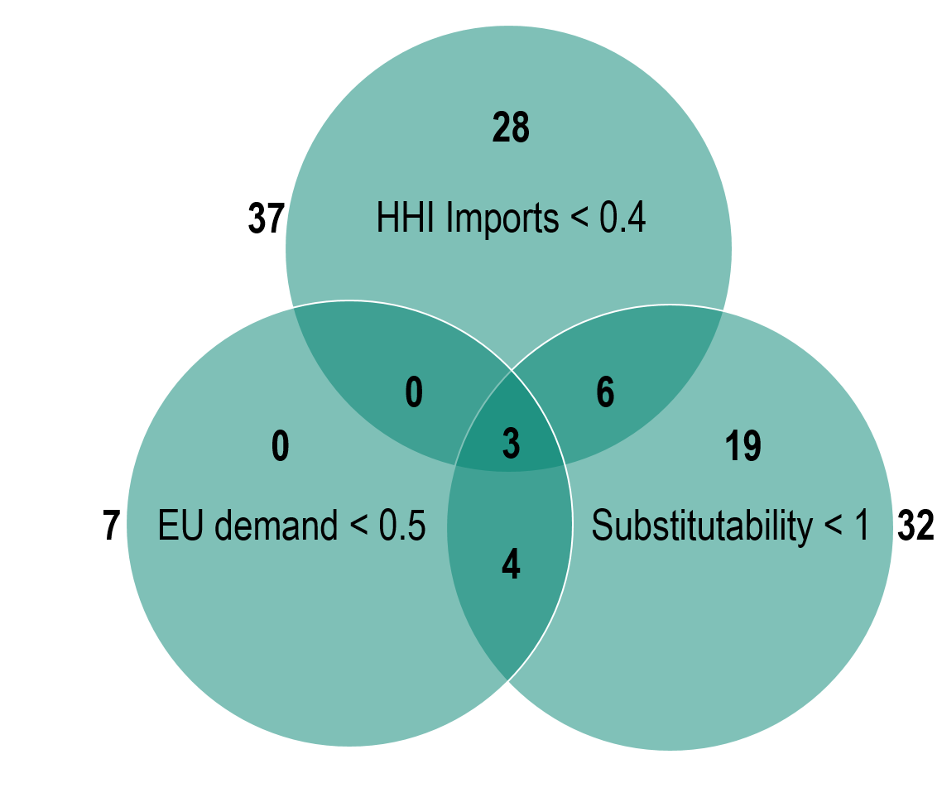
Title | Binding criteria in 2018 vs 2019
Subtitle | Number of dependent products in 2018 but not in 2019 (based on the 2019 indices)
Source | Authors’ computation from CEPII, BACI database

