Figure 1
Title | Main Strategic Metals in a Lithium-Ion battery
Notes | Illustration for a 75-kWh battery with graphite anodes. NMC: nickel-manganese-cobalt (numbers refer to respective element percentages); NCA: nickel-cobalt-aluminum; LFP: lithium-iron-phosphate; LMO: lithium-manganese-oxide. See Box 1 for more details.
Source | International Energy Agency (IEA, 2021).

 |  | Cobalt | Copper | Graphite | Lithium | Manganese | Nickel
 | LMO | 0 | 37 | 63 | 8 | 104 | 0
 | LFP | 0 | 39 | 76 | 8 | 0 | 0
 | NMC 811 | 6 | 23 | 65 | 8 | 5 | 44
 | NMC 622 | 14 | 25 | 66 | 9 | 13 | 39
 | NMC 532 | 15 | 28 | 68 | 10 | 21 | 38
 | NMC 333 | 27 | 28 | 68 | 11 | 25 | 27
 | NCA+ | 4 | 24 | 68 | 8 | 0 | 56
 | NCA | 10 | 24 | 68 | 8 | 0 | 51

Figure 2
Title | Market shares of different battery chemistries for electric vehicles
Notes | LFP = lithium-iron-phosphate; LMFP = lithium-manganese-iron-phosphate; NMC = lithium-nickel-cobalt; NCA = lithium-nickel-cobalt-aluminum; NMCA = lithium-nickel-manganese-cobalt-aluminum; LNO = lithium-nickel-oxide; LNMO = lithium-nickel-manganese-oxide. Nickel (-) = low nickel content (includes NMC 333 and NMC 532, see Box 1); Nickel (+) = high nickel content (includes NMC 622, NMC 721, NMC 811, NCA, NMCA, LNO). Manganese (+) = high manganese content (includes LNMO and lithium-manganese-rich NMC (LMR-NMC)). Si(-)-Gr = silicon-graphite with low silicon content (5%); Si-Gr = silicon-graphite with medium silicon content (5%-50%); Si(+)-Gr = silicon-graphite with high silicon content (>50%).
Source | AIE (2024b).

 |  |  | 2020 | 2023 | 2030 | 2035 | 2040 |  |  | 2020 | 2023 | 2030 | 2035 | 2040
 | Cathode | Nickel (-) | 15.68 | 6.11 |  |  |  | Anode | Graphite | 79.73 | 70.6 | 63.87 | 52.9 | 36.78
 | Cathode | Nickel (+) | 73.09 | 53.94 | 50.85 | 42.9 | 38.69 | Anode | Si(-)-Gr | 17.95 | 16.91 | 10.08 | 3.88 | 4.01
 | Cathode | Manganese (+) |  |  | 3.03 | 8.15 | 13.24 | Anode | Si-Gr | 2.32 | 12.49 | 18.93 | 22.22 | 21.42
 | Cathode | LFP / LMFP | 11.24 | 39.95 | 43.16 | 44.07 | 39.85 | Anode | Si(+)-Gr |  |  | 4.19 | 11.85 | 15.96
 | Cathode | Sodium-ion |  |  | 2.96 | 4.88 | 8.21 | Anode | Lithium metal |  |  |  | 4.18 | 13.9
 |  |  |  |  |  |  |  | Anode | Hard carbon |  |  | 2.92 | 4.97 | 7.94

Cathode
 | Nickel (-) | Nickel (+) | Manganese (+) | LFP / LMFP | Sodium-ion
2020 | 15.68 | 73.09 |  | 11.24
2023 | 6.11 | 53.94 |  | 39.95
2030 |  | 50.85 | 3.03 | 43.16 | 2.96
2035 |  | 42.9 | 8.15 | 44.07 | 4.88
2040 |  | 38.69 | 13.24 | 39.85 | 8.21
Anode
 | Graphite | Si(-)-Gr | Si-Gr | Si(+)-Gr | Lithium metal | Hard carbon
2020 | 79.73 | 17.95 | 2.32
2023 | 70.6 | 16.91 | 12.49
2030 | 63.87 | 10.08 | 18.93 | 4.19 |  | 2.92
2035 | 52.9 | 3.88 | 22.22 | 11.85 | 4.18 | 4.97
2040 | 36.78 | 4.01 | 21.42 | 15.96 | 13.9 | 7.94

Figure 3
Title | Lithium-ion battery value chain
Source | Authors.

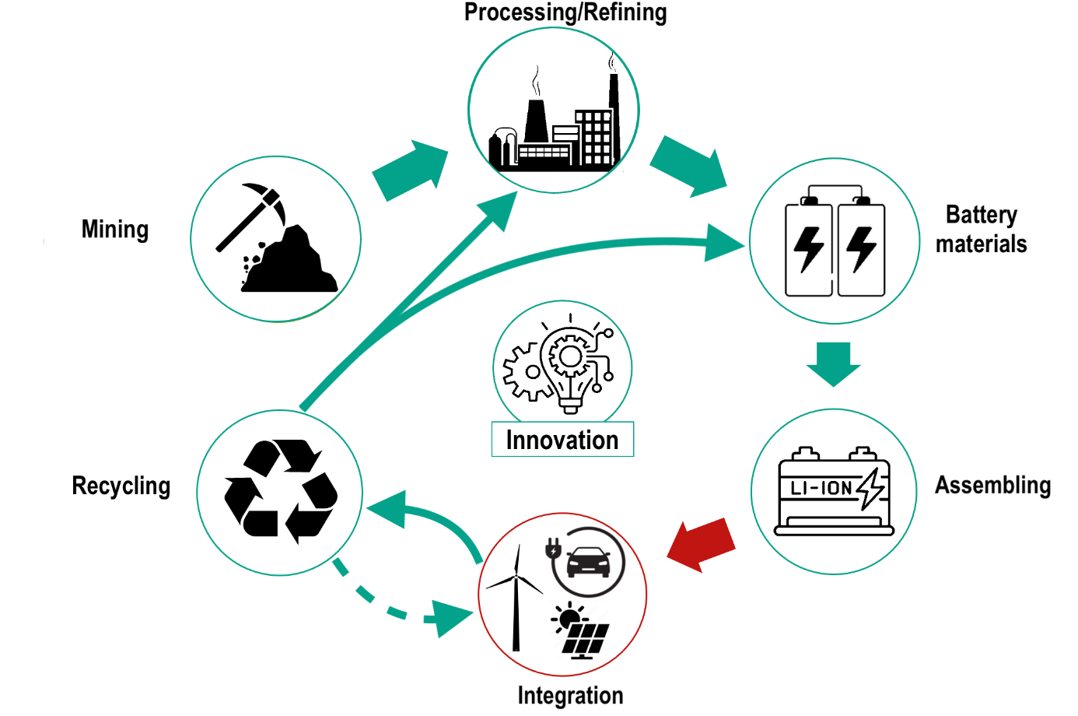

Figure 4
Title | Major producing countries of minerals for lithium-ion batteries
Notes | Green shades indicate the importance of countries in producing minerals (2023) composing lithium-ion batteries. This importance is calculated as the average production (normalized between 0 and 1) of various minerals (i.e., bauxite, cobalt, copper, graphite, lithium, manganese, nickel).
Source | USGS (United States Geological Survey, Mineral Commodity Summaries).

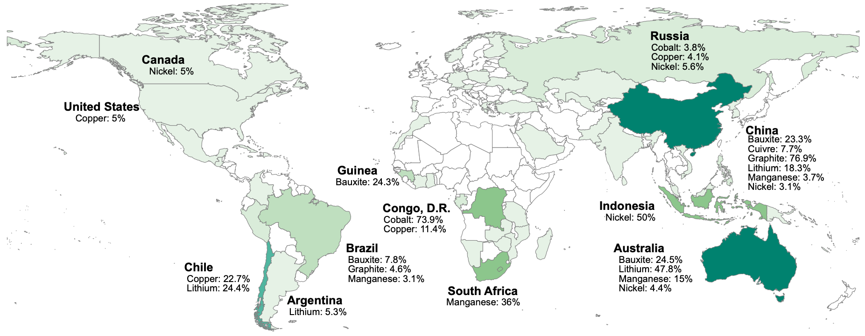
 | Country | Mineral | Share (% world production)
 | China | Bauxite | 23.3
 | Australia | Bauxite | 24.5
 | Guinea | Bauxite | 24.3
 | Brazil | Bauxite | 7.8
 | Russia | Cobalt | 3.8
 | Congo, D.R. | Cobalt | 73.9
 | Russia | Copper | 4.1
 | China | Copper | 7.7
 | Congo, D.R. | Copper | 11.4
 | Chile | Copper | 22.7
 | United States | Copper | 5.0
 | China | Graphite | 76.9
 | Brazil | Graphite | 4.6
 | China | Lithium | 18.3
 | Australia | Lithium | 47.8
 | Argentina | Lithium | 5.3
 | Chile | Lithium | 24.4
 | China | Manganese | 3.7
 | Australia | Manganese | 15.0
 | South Africa | Manganese | 36.0
 | Brazil | Manganese | 3.1
 | Russia | Nickel | 5.6
 | China | Nickel | 3.1
 | Indonesia | Nickel | 50.0
 | Australia | Nickel | 4.4
 | Canada | Nickel | 5.0

Figure 5a - 1
Title | Mineral production and trade flows
Subtitle | a - Production 1995-2000
Notes | Minerals are indicated by ochre circles. “Al”: aluminum/bauxite; “Co”: cobalt; “Cu”: copper; “Gr”: natural graphite; “Li”: lithium; “Mn”: manganese; “Ni”: nickel. Gray circles with ISO codes represent countries/groups of countries. “AUS”: Australia; “CHL”: Chile; “CHN”: China; “COD”: Democratic Republic of Congo; “JPN”: Japan; “EU”: European Union; “USA”: United States. For readability, only major countries are represented. Arrow thickness indicates the market share of the concerned country. The country’s “global” importance (sum of all market shares) is indicated by the size of its circle.
Source | Authors from USGS (production) and BACI (imports) data.

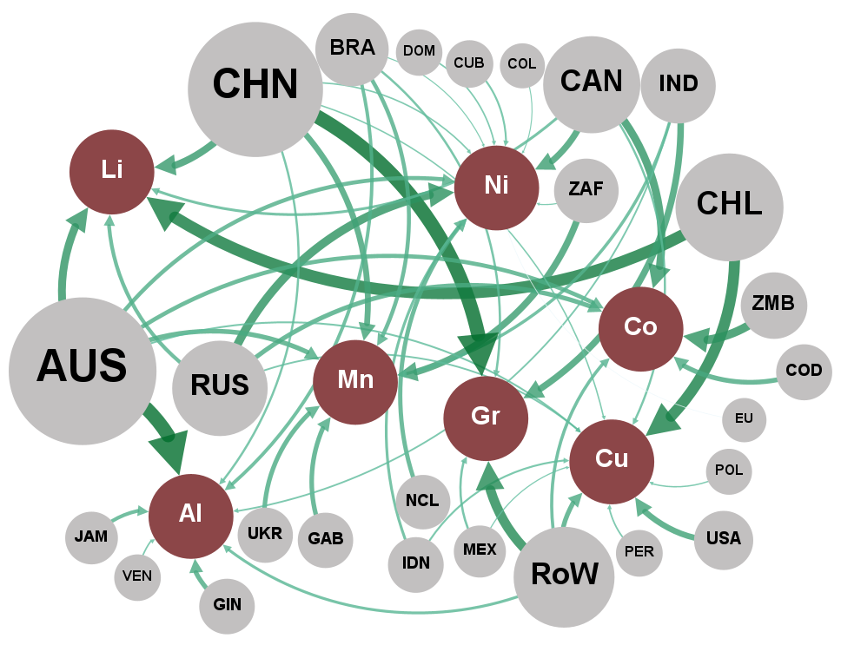
 | 1995 - 2000
 | Network nodes |  |  | Network links
 | ID | Label | Attribute | Source | Target | Weight
 | CHN | CHN | Country | CHN | Graphite | 38.0
 | AUS | AUS | Country | AUS | Bauxite | 37.5
 | CHL | CHL | Country | CHL | Lithium | 31.9
 | RoW | RoW | Country | CHL | Copper | 29.7
 | ZMB | ZMB | Country | RoW | Graphite | 26.0
 | RUS | RUS | Country | ZMB | Cobalt | 22.9
 | CAN | CAN | Country | RUS | Nickel | 22.7
 | ZAF | ZAF | Country | AUS | Lithium | 21.2
 | IND | IND | Country | CAN | Cobalt | 20.9
 | USA | USA | Country | CHN | Lithium | 19.2
 | COD | COD | Country | ZAF | Manganese | 17.9
 | GIN | GIN | Country | IND | Graphite | 17.7
 | GAB | GAB | Country | CAN | Nickel | 17.2
 | UKR | UKR | Country | USA | Copper | 15.9
 | NCL | NCL | Country | CHN | Manganese | 15.8
 | BRA | BRA | Country | COD | Cobalt | 13.0
 | JAM | JAM | Country | AUS | Manganese | 12.8
 | IDN | IDN | Country | RoW | Copper | 12.7
 | MEX | MEX | Country | GIN | Bauxite | 12.6
 | CUB | CUB | Country | GAB | Manganese | 12.4
 | PER | PER | Country | RUS | Cobalt | 12.4
 | VEN | VEN | Country | UKR | Manganese | 12.3
 | DOM | DOM | Country | NCL | Nickel | 11.6
 | POL | POL | Country | AUS | Cobalt | 11.3
 | COL | COL | Country | AUS | Nickel | 11.0
 | EU | EU | Country | BRA | Manganese | 10.7
 | Graphite | Gr. | Minerals | RUS | Lithium | 10.2
 | Bauxite | Al. | Minerals | JAM | Bauxite | 9.9
 | Lithium | Li. | Minerals | BRA | Bauxite | 9.3
 | Copper | Cu. | Minerals | RoW | Cobalt | 8.7
 | Cobalt | Co. | Minerals | IND | Manganese | 8.4
 | Nickel | Ni. | Minerals | RoW | Bauxite | 7.6
 | Manganese | Mn. | Minerals | IDN | Nickel | 7.5
 |  |  |  | CAN | Lithium | 7.4
 |  |  |  | BRA | Graphite | 6.2
 |  |  |  | MEX | Graphite | 6.2
 |  |  |  | CHN | Bauxite | 6.0
 |  |  |  | CAN | Copper | 5.9
 |  |  |  | IDN | Copper | 5.2
 |  |  |  | CUB | Nickel | 5.1
 |  |  |  | AUS | Copper | 4.9
 |  |  |  | IND | Bauxite | 4.6
 |  |  |  | RUS | Copper | 4.6
 |  |  |  | PER | Copper | 4.4
 |  |  |  | VEN | Bauxite | 4.2
 |  |  |  | DOM | Nickel | 4.1
 |  |  |  | CHN | Nickel | 4.0
 |  |  |  | CHN | Copper | 3.8
 |  |  |  | POL | Copper | 3.6
 |  |  |  | MEX | Copper | 3.1
 |  |  |  | ZAF | Nickel | 3.1
 |  |  |  | BRA | Nickel | 3.0
 |  |  |  | COL | Nickel | 2.8
 |  |  |  | EU | Nickel | 2.1

Figure 5a - 2
Title | Mineral production and trade flows
Subtitle | a - Production 2017-2022
Notes | Minerals are indicated by ochre circles. “Al”: aluminum/bauxite; “Co”: cobalt; “Cu”: copper; “Gr”: natural graphite; “Li”: lithium; “Mn”: manganese; “Ni”: nickel. Gray circles with ISO codes represent countries/groups of countries. “AUS”: Australia; “CHL”: Chile; “CHN”: China; “COD”: Democratic Republic of Congo; “JPN”: Japan; “EU”: European Union; “USA”: United States. For readability, only major countries are represented. Arrow thickness indicates the market share of the concerned country. The country’s “global” importance (sum of all market shares) is indicated by the size of its circle.
Source | Authors from USGS (production) and BACI (imports) data.

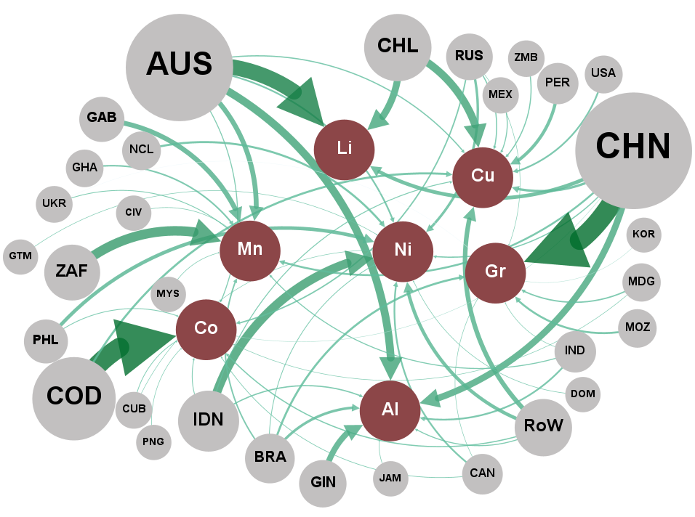
 | 2017 - 2022
 | Network nodes |  |  | Network links
 | ID | Label | Attribute | Source | Target | Weight
 | CHN | CHN | Country | CHN | Graphite | 68.4
 | COD | COD | Country | COD | Cobalt | 66.6
 | AUS | AUS | Country | AUS | Lithium | 53.0
 | ZAF | ZAF | Country | ZAF | Manganese | 32.7
 | IDN | IDN | Country | IDN | Nickel | 30.1
 | CHL | CHL | Country | AUS | Bauxite | 26.7
 | GIN | GIN | Country | CHL | Copper | 26.4
 | GAB | GAB | Country | CHL | Lithium | 23.4
 | RoW | RoW | Country | CHN | Bauxite | 22.3
 | PHL | PHL | Country | GIN | Bauxite | 20.0
 | PER | PER | Country | AUS | Manganese | 16.7
 | BRA | BRA | Country | GAB | Manganese | 16.6
 | RUS | RUS | Country | RoW | Copper | 15.7
 | NCL | NCL | Country | CHN | Lithium | 12.6
 | MOZ | MOZ | Country | PHL | Nickel | 12.2
 | IND | IND | Country | RoW | Nickel | 11.8
 | CAN | CAN | Country | PER | Copper | 11.0
 | USA | USA | Country | BRA | Bauxite | 8.9
 | GHA | GHA | Country | RUS | Nickel | 8.6
 | MDG | MDG | Country | CHN | Copper | 8.2
 | ZMB | ZMB | Country | COD | Copper | 7.2
 | MEX | MEX | Country | NCL | Nickel | 7.1
 | UKR | UKR | Country | BRA | Graphite | 7.1
 | CUB | CUB | Country | MOZ | Graphite | 6.8
 | JAM | JAM | Country | CHN | Manganese | 6.5
 | CIV | CIV | Country | IND | Bauxite | 5.9
 | MYS | MYS | Country | CAN | Nickel | 5.9
 | DOM | DOM | Country | USA | Copper | 5.9
 | PNG | PNG | Country | AUS | Nickel | 5.7
 | GTM | GTM | Country | GHA | Manganese | 5.4
 | KOR | KOR | Country | BRA | Manganese | 4.9
 | Graphite | Gr. | Minerals | RUS | Cobalt | 4.6
 | Cobalt | Co. | Minerals | MDG | Graphite | 4.6
 | Lithium | Li. | Minerals | IDN | Bauxite | 4.2
 | Manganese | Mn. | Minerals | AUS | Copper | 4.1
 | Nickel | Ni. | Minerals | RoW | Cobalt | 4.0
 | Bauxite | Al. | Minerals | RUS | Copper | 3.9
 | Copper | Cu. | Minerals | CHN | Nickel | 3.9
 |  |  |  | ZMB | Copper | 3.8
 |  |  |  | IND | Manganese | 3.5
 |  |  |  | RoW | Bauxite | 3.5
 |  |  |  | MEX | Copper | 3.5
 |  |  |  | AUS | Cobalt | 3.4
 |  |  |  | IDN | Copper | 3.2
 |  |  |  | UKR | Manganese | 2.9
 |  |  |  | IDN | Cobalt | 2.8
 |  |  |  | PHL | Cobalt | 2.7
 |  |  |  | BRA | Nickel | 2.6
 |  |  |  | CUB | Cobalt | 2.5
 |  |  |  | CAN | Cobalt | 2.3
 |  |  |  | JAM | Bauxite | 2.1
 |  |  |  | CIV | Manganese | 2.0
 |  |  |  | MYS | Manganese | 2.0
 |  |  |  | DOM | Nickel | 2.0
 |  |  |  | PNG | Cobalt | 1.9
 |  |  |  | GTM | Nickel | 1.9
 |  |  |  | IND | Graphite | 1.8
 |  |  |  | MDG | Cobalt | 1.8
 |  |  |  | CUB | Nickel | 1.8
 |  |  |  | CAN | Graphite | 1.8
 |  |  |  | RUS | Graphite | 1.8
 |  |  |  | CHN | Cobalt | 1.5
 |  |  |  | KOR | Graphite | 1.5
 |  |  |  | UKR | Graphite | 1.2

Figure 5b - 1
Title | Mineral production and trade flows
Subtitle | a - Trade flows (imports) 1995-2000
Notes | Minerals are indicated by ochre circles. “Al”: aluminum/bauxite; “Co”: cobalt; “Cu”: copper; “Gr”: natural graphite; “Li”: lithium; “Mn”: manganese; “Ni”: nickel. Gray circles with ISO codes represent countries/groups of countries. “AUS”: Australia; “CHL”: Chile; “CHN”: China; “COD”: Democratic Republic of Congo; “JPN”: Japan; “EU”: European Union; “USA”: United States. For readability, only major countries are represented. Arrow thickness indicates the market share of the concerned country. The country’s “global” importance (sum of all market shares) is indicated by the size of its circle.
Source | Authors from USGS (production) and BACI (imports) data.

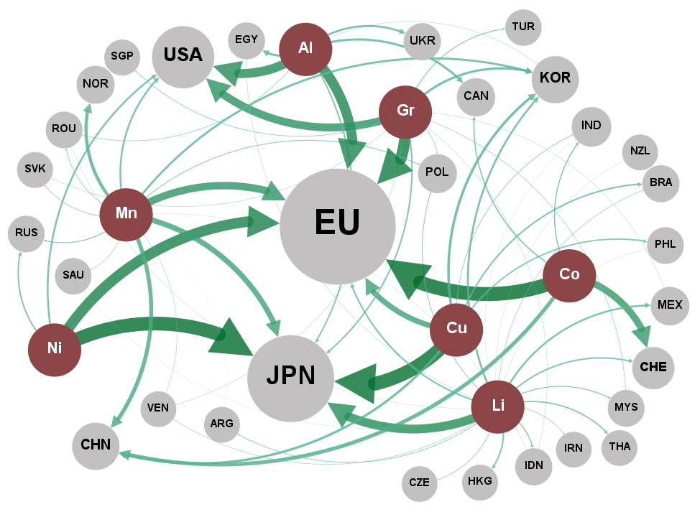
 | 1995 - 2000
 | Network nodes |  |  | Network links
 | ID | Label | Attribute | Source | Target | Weight
 | Cobalt | Co. | Minerals | Aluminum | EU | 34.0
 | Nickel | Ni. | Minerals | Aluminum | USA | 31.2
 | Copper | Cu. | Minerals | Aluminum | EGY | 7.6
 | Graphite | Gr. | Minerals | Aluminum | CAN | 7.5
 | Aluminum | Al. | Minerals | Aluminum | UKR | 6.7
 | Lithium | Li. | Minerals | Aluminum | JPN | 4.6
 | Manganese | Mn. | Minerals | Aluminum | ROU | 1.7
 | EU | EU | Country | Aluminum | KOR | 1.0
 | JPN | JPN | Country | Aluminum | TJK | 0.7
 | USA | USA | Country | Cobalt | EU | 47.8
 | CHE | CHE | Country | Cobalt | CHE | 23.6
 | CHN | CHN | Country | Cobalt | CHN | 12.8
 | IND | IND | Country | Cobalt | CAN | 4.0
 | NOR | NOR | Country | Cobalt | IND | 3.7
 | NES_Asia | Asia+ | Country | Cobalt | NOR | 2.4
 | KOR | KOR | Country | Copper | JPN | 47.0
 | EGY | EGY | Country | Copper | EU | 18.7
 | CAN | CAN | Country | Copper | KOR | 8.8
 | UKR | UKR | Country | Copper | CHN | 8.2
 | MEX | MEX | Country | Copper | BRA | 5.1
 | BRA | BRA | Country | Copper | PHL | 4.4
 | POL | POL | Country | Copper | IND | 2.1
 | RUS | RUS | Country | Lithium | JPN | 27.7
 | PHL | PHL | Country | Lithium | NES_Asia | 10.0
 | HKG | HKG | Country | Lithium | KOR | 6.0
 | THA | THA | Country | Lithium | MEX | 5.7
 | NZL | NZL | Country | Lithium | EU | 4.8
 | IDN | IDN | Country | Lithium | CHE | 4.5
 | TUR | TUR | Country | Lithium | HKG | 4.4
 | MYS | MYS | Country | Lithium | THA | 3.9
 | SGP | SGP | Country | Lithium | IDN | 3.2
 | SAU | SAU | Country | Lithium | MYS | 2.9
 | ARG | ARG | Country | Lithium | POL | 2.2
 | SVK | SVK | Country | Lithium | ARG | 2.0
 | LTU | LTU | Country | Lithium | CZE | 1.8
 | ROU | ROU | Country | Lithium | IRN | 1.7
 | CZE | CZE | Country | Lithium | BRA | 1.5
 | IRN | IRN | Country | Lithium | VEN | 1.3
 | BGR | BGR | Country | Lithium | EGY | 1.0
 | VEN | VEN | Country | Lithium | MLI | 0.8
 | AUS | AUS | Country | Lithium | ISR | 0.7
 | HRV | HRV | Country | Lithium | COL | 0.7
 | MLI | MLI | Country | Lithium | ROU | 0.7
 | ISR | ISR | Country | Lithium | PHL | 0.7
 | COL | COL | Country | Lithium | PRK | 0.6
 | TJK | TJK | Country | Lithium | NZL | 0.6
 | PRK | PRK | Country | Lithium | LKA | 0.6
 | LKA | LKA | Country | Lithium | SAU | 0.6
 | BGD | BGD | Country | Lithium | IND | 0.6
 | CHL | CHL | Country | Lithium | BGD | 0.5
 | PAK | PAK | Country | Lithium | CHL | 0.5
 | ARE | ARE | Country | Lithium | PAK | 0.4
 | TZA | TZA | Country | Lithium | UKR | 0.4
 | PER | PER | Country | Lithium | ARE | 0.4
 | BFA | BFA | Country | Lithium | TZA | 0.4
 | GTM | GTM | Country | Lithium | PER | 0.3
 |  |  |  | Lithium | HRV | 0.3
 |  |  |  | Lithium | BFA | 0.3
 |  |  |  | Lithium | GTM | 0.3
 |  |  |  | Manganese | EU | 25.4
 |  |  |  | Manganese | JPN | 18.3
 |  |  |  | Manganese | CHN | 13.6
 |  |  |  | Manganese | NOR | 10.8
 |  |  |  | Manganese | KOR | 7.2
 |  |  |  | Manganese | USA | 6.0
 |  |  |  | Manganese | RUS | 2.9
 |  |  |  | Manganese | POL | 2.5
 |  |  |  | Manganese | SVK | 2.0
 |  |  |  | Manganese | ROU | 1.9
 |  |  |  | Manganese | SAU | 1.4
 |  |  |  | Manganese | VEN | 1.2
 |  |  |  | Manganese | IDN | 0.7
 |  |  |  | Manganese | NES_Asia | 0.5
 |  |  |  | Manganese | ARG | 0.5
 |  |  |  | Graphite | EU | 39.2
 |  |  |  | Graphite | USA | 27.2
 |  |  |  | Graphite | KOR | 7.9
 |  |  |  | Graphite | JPN | 4.9
 |  |  |  | Graphite | TUR | 2.9
 |  |  |  | Graphite | NES_Asia | 2.5
 |  |  |  | Graphite | SGP | 2.0
 |  |  |  | Graphite | POL | 1.8
 |  |  |  | Graphite | MYS | 1.6
 |  |  |  | Graphite | SVK | 1.2
 |  |  |  | Graphite | VEN | 1.1
 |  |  |  | Graphite | MEX | 1.0
 |  |  |  | Graphite | IDN | 0.9
 |  |  |  | Nickel | JPN | 47.3
 |  |  |  | Nickel | EU | 36.5
 |  |  |  | Nickel | USA | 6.1
 |  |  |  | Nickel | RUS | 4.7

Figure 5b - 2
Title | Mineral production and trade flows
Subtitle | b - Trade flows (imports) 2017-2022
Notes | Minerals are indicated by ochre circles. “Al”: aluminum/bauxite; “Co”: cobalt; “Cu”: copper; “Gr”: natural graphite; “Li”: lithium; “Mn”: manganese; “Ni”: nickel. Gray circles with ISO codes represent countries/groups of countries. “AUS”: Australia; “CHL”: Chile; “CHN”: China; “COD”: Democratic Republic of Congo; “JPN”: Japan; “EU”: European Union; “USA”: United States. For readability, only major countries are represented. Arrow thickness indicates the market share of the concerned country. The country’s “global” importance (sum of all market shares) is indicated by the size of its circle.
Source | Authors from USGS (production) and BACI (imports) data.

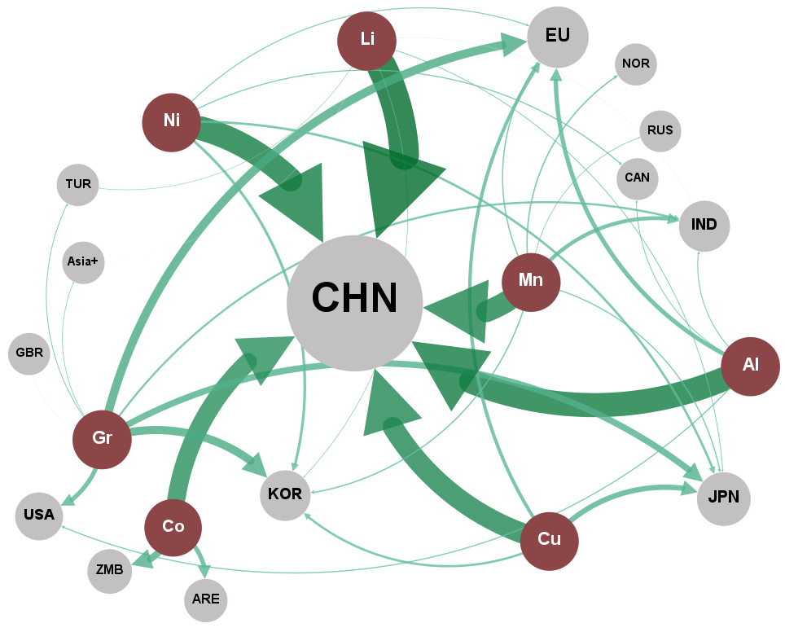
 | 2017 - 2022
 | Network nodes |  |  | Network links
 | ID | Label | Attribute | Source | Target | Weight
 | Lithium | Li. | Minerais | Aluminum | CHN | 70.7
 | Aluminium | Al. | Minerais | Aluminum | EU | 12.6
 | Nickel | Ni. | Minerais | Aluminum | USA | 3.3
 | Manganese | Mn. | Minerais | Aluminum | UKR | 2.9
 | Copper | Cu. | Minerais | Aluminum | IND | 2.8
 | Cobalt | Co. | Minerais | Aluminum | CAN | 2.5
 | Graphite | Gr. | Minerais | Cobalt | CHN | 53.0
 | CHN | CHN | Country | Cobalt | ZMB | 20.1
 | IND | IND | Country | Cobalt | ARE | 13.3
 | EU | EU | Country | Copper | CHN | 60.1
 | KOR | KOR | Country | Copper | JPN | 15.6
 | ZMB | ZMB | Country | Copper | EU | 9.9
 | JPN | JPN | Country | Copper | KOR | 6.6
 | USA | USA | Country | Lithium | CHN | 86.5
 | ARE | ARE | Country | Lithium | JPN | 2.4
 | IDN | IDN | Country | Lithium | KOR | 1.7
 | GBR | GBR | Country | Lithium | TUR | 1.5
 | BRA | BRA | Country | Lithium | HKG | 1.0
 | NES_Asia | Asia+ | Country | Lithium | IND | 0.8
 | MEX | MEX | Country | Lithium | NES_Asia | 0.7
 | NOR | NOR | Country | Manganese | CHN | 62.6
 | TUR | TUR | Country | Manganese | IND | 11.3
 | SAU | SAU | Country | Manganese | NOR | 4.1
 | CAN | CAN | Country | Manganese | KOR | 3.9
 | UKR | UKR | Country | Manganese | EU | 3.7
 | RUS | RUS | Country | Manganese | JPN | 3.5
 | MKD | MKD | Country | Manganese | MYS | 2.3
 | MYS | MYS | Country | Manganese | RUS | 2.1
 | NZL | NZL | Country | Graphite | EU | 24.9
 | BLR | BLR | Country | Graphite | KOR | 23.9
 | IRN | IRN | Country | Graphite | JPN | 18.7
 | AUS | AUS | Country | Graphite | USA | 13.0
 | SRB | SRB | Country | Graphite | IND | 6.0
 | LBN | LBN | Country | Graphite | TUR | 2.5
 | PAK | PAK | Country | Graphite | NES_Asia | 1.9
 | VNM | VNM | Country | Graphite | IRN | 1.5
 | HKG | HKG | Country | Graphite | MYS | 1.2
 | THA | THA | Country | Graphite | GBR | 0.8
 | EGY | EGY | Country | Graphite | THA | 0.7
 |  |  |  | Nickel | CHN | 70.3
 |  |  |  | Nickel | KOR | 7.9
 |  |  |  | Nickel | JPN | 6.8
 |  |  |  | Nickel | CAN | 3.3
 |  |  |  | Nickel | EU | 3.0
 |  |  |  | Nickel | MKD | 2.4

Figure 6a - 1
Title | Exports and imports along the value chain
Subtitle | a - Exports 1995-2000
Notes | Trade flows of various products are grouped by value chain stages, indicated by ochre circles. Upstream to downstream, groups are: “RPM”: refined and processed materials; “BMa”: battery materials; “CCo”: cell components; “Li-ion”: lithium-ion batteries and components. Gray circles with ISO codes represent countries/groups of countries. “AUS”: Australia; “COD”: Democratic Republic of Congo; “CHN”: China; “HKG”: Hong Kong; “JPN”: Japan; “KOR”: South Korea; “EU”: European Union; “USA”: United States. For readability, only major countries are represented. Arrow thickness indicates the market share of the concerned country. The country’s “global” importance (sum of all market shares) is indicated by the size of its circle.
Source | Authors from BACI data.

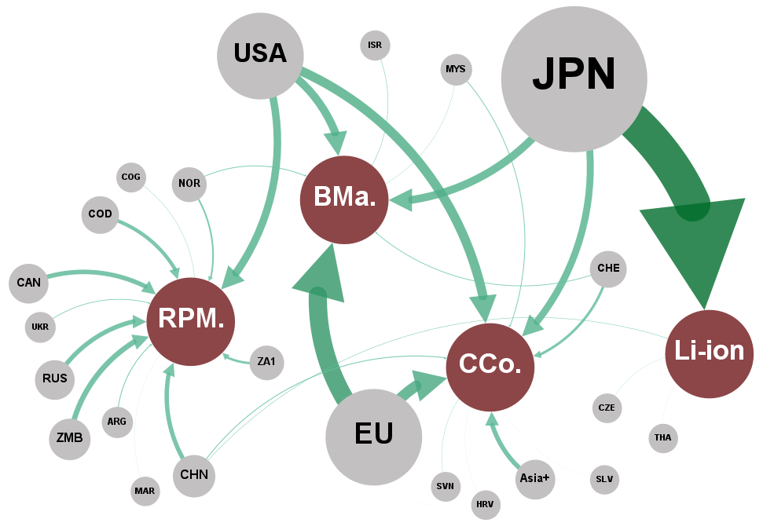
 | 1995 - 2000
 | Network nodes |  |  | Network links
 | ID | Label | Attribute | Source | Target | Weight
 | JPN | JPN | Country | JPN | Li-ion | 97.5
 | USA | USA | Country | USA | RPM. | 61.4
 | UE | UE | Country | UE | BMa | 50.0
 | RUS | RUS | Country | USA | BMa | 22.0
 | CHN | CHN | Country | JPN | BMa | 21.4
 | AUS | AUS | Country | NOR | BMa | 2.2
 | NES_Asia | Asia+ | Country | CHE | BMa | 2.0
 | CAN | CAN | Country | ISR | BMa | 1.3
 | BRA | BRA | Country | MYS | BMa | 0.7
 | ZA1 | ZA1 | Country | GUY | BMa | 0.2
 | CHE | CHE | Country | MDG | BMa | 0.1
 | VEN | VEN | Country | KGZ | BMa | 0.1
 | ARG | ARG | Country | MOZ | BMa | 0.0
 | UKR | UKR | Country | CYM | BMa | 0.0
 | NZL | NZL | Country | IOT | BMa | 0.0
 | MYS | MYS | Country | TLS | BMa | 0.0
 | NOR | NOR | Country | UE | CCo | 29.5
 | CUB | CUB | Country | USA | CCo | 25.4
 | ISL | ISL | Country | JPN | CCo | 19.1
 | POL | POL | Country | NES_Asia | CCo | 12.6
 | BHR | BHR | Country | CHE | CCo | 7.0
 | ZMB | ZMB | Country | CHN | CCo | 2.4
 | ISR | ISR | Country | MYS | CCo | 2.2
 | EGY | EGY | Country | SVN | CCo | 0.8
 | GHA | GHA | Country | HRV | CCo | 0.3
 | ROU | ROU | Country | SLV | CCo | 0.3
 | COD | COD | Country | HUN | CCo | 0.2
 | SVN | SVN | Country | GUY | CCo | 0.0
 | CMR | CMR | Country | CMR | CCo | 0.0
 | IDN | IDN | Country | PRK | CCo | 0.0
 | CZE | CZE | Country | SOM | CCo | 0.0
 | ARE | ARE | Country | PCN | CCo | 0.0
 | HRV | HRV | Country | IOT | CCo | 0.0
 | THA | THA | Country | VGB | CCo | 0.0
 | SCG | SCG | Country | CHN | Li-ion | 1.2
 | TKM | TKM | Country | CZE | Li-ion | 0.6
 | TJK | TJK | Country | THA | Li-ion | 0.3
 | SLV | SLV | Country | IDN | Li-ion | 0.2
 | SUR | SUR | Country | MAC | Li-ion | 0.2
 | KAZ | KAZ | Country | BGR | Li-ion | 0.0
 | HUN | HUN | Country | MRT | Li-ion | 0.0
 | ZWE | ZWE | Country | SOM | Li-ion | 0.0
 | SVK | SVK | Country | MHL | Li-ion | 0.0
 | MAC | MAC | Country | NRU | Li-ion | 0.0
 | GUY | GUY | Country | CHN | RPM. | 18.9
 | BIH | BIH | Country | ZA1 | RPM. | 7.1
 | MDG | MDG | Country | JPN | RPM. | 4.2
 | LVA | LVA | Country | ARG | RPM. | 3.8
 | GAB | GAB | Country | UKR | RPM. | 2.8
 | EST | EST | Country | ROU | RPM. | 0.3
 | BLR | BLR | Country | TKM | RPM. | 0.3
 | COG | COG | Country | CHE | RPM. | 0.3
 | IRN | IRN | Country | KAZ | RPM. | 0.2
 | KGZ | KGZ | Country | HRV | RPM. | 0.2
 | ABW | ABW | Country | ISL | RPM. | 0.1
 | CIV | CIV | Country | GAB | RPM. | 0.1
 | MOZ | MOZ | Country | ZMB | RPM. | 0.1
 | SAU | SAU | Country | ABW | RPM. | 0.1
 | QAT | QAT | Country | CIV | RPM. | 0.0
 | PER | PER | Country | SUR | RPM. | 0.0
 | CYM | CYM | Country | PER | RPM. | 0.0
 | TZA | TZA | Country | IRQ | RPM. | 0.0
 | MAR | MAR | Country | PRK | RPM. | 0.0
 | BGR | BGR | Country | AFG | RPM. | 0.0
 | IRQ | IRQ | Country | AND | RPM. | 0.0
 | PRK | PRK | Country | KGZ | RPM. | 0.0
 | AFG | AFG | Country | AZE | RPM. | 0.0
 | NGA | NGA | Country | COD | RPM. | 0.0
 | AND | AND | Country | ALB | RPM. | 0.0
 | AGO | AGO | Country | BMU | RPM. | 0.0
...

Figure 6a - 2
...
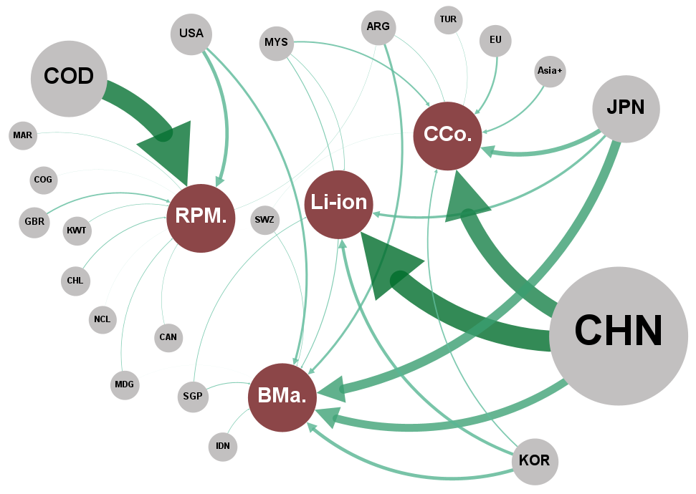
...
 |  | Network links
Label | Attribute | Source | Target | Weight
CHN | Country | JPN | BMa | 33.2
JPN | Country | CHN | BMa | 28.4
COD | Country | KOR | BMa | 12.3
USA | Country | USA | BMa | 8.0
RUS | Country | ARG | BMa | 7.9
CAN | Country | MYS | BMa | 3.0
KOR | Country | SGP | BMa | 2.7
AUS | Country | IDN | BMa | 1.9
ARG | Country | SWZ | BMa | 1.8
IND | Country | MDG | BMa | 0.1
UE | Country | TGO | BMa | 0.1
MOZ | Country | YEM | BMa | 0.1
GBR | Country | BIH | BMa | 0.1
Asia+ | Country | LAO | BMa | 0.1
MYS | Country | BRN | BMa | 0.0
ISL | Country | GNQ | BMa | 0.0
ARE | Country | HTI | BMa | 0.0
ZAF | Country | DJI | BMa | 0.0
SAU | Country | MRT | BMa | 0.0
COL | Country | GMB | BMa | 0.0
CHL | Country | SOM | BMa | 0.0
SGP | Country | PCN | BMa | 0.0
PHL | Country | GTM | BMa | 0.0
KWT | Country | SLE | BMa | 0.0
BHR | Country | COM | BMa | 0.0
IDN | Country | PRK | BMa | 0.0
SWZ | Country | BEN | BMa | 0.0
NZL | Country | GNB | BMa | 0.0
OMN | Country | TON | BMa | 0.0
KAZ | Country | PLW | BMa | 0.0
PNG | Country | SHN | BMa | 0.0
NCL | Country | NIU | BMa | 0.0
...

Figure 6b - 1
...
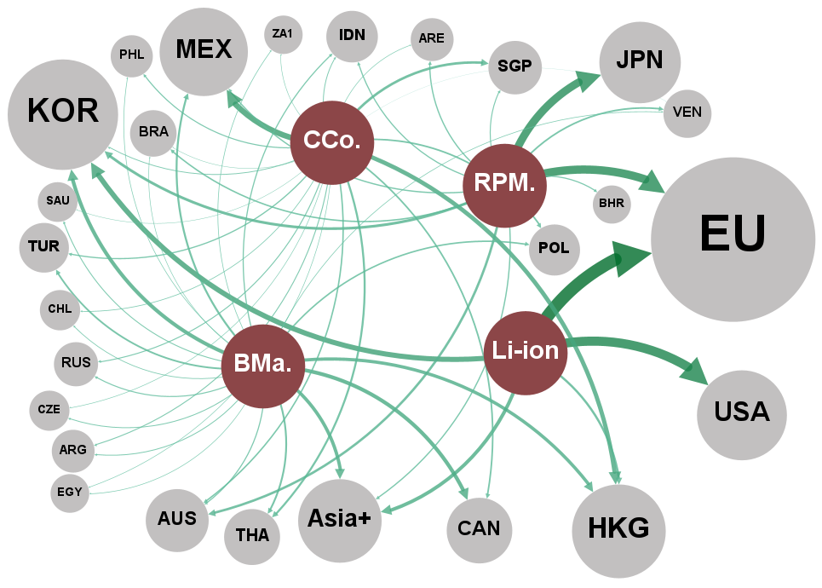
...
 |  | Network links
Label | Attribute | Source | Target | Weight
Li-ion | Category | Li-ion | UE | 30.3
CCo. | Category | Li-ion | USA | 22.2
RPM. | Category | Li-ion | KOR | 12.4
BMa. | Category | Li-ion | NES_Asia | 8.5
UE | Country | Li-ion | HKG | 5.5
JPN | Country | BMa. | CAN | 9.1
USA | Country | BMa. | KOR | 9.0
MEX | Country | BMa. | NES_Asia | 8.2
KOR | Country | BMa. | HKG | 7.9
AUS | Country | BMa. | MEX | 4.8
HKG | Country | BMa. | THA | 4.5
CAN | Country | BMa. | TUR | 4.1
Asia+ | Country | BMa. | POL | 3.6
VEN | Country | BMa. | IDN | 2.8
SGP | Country | BMa. | AUS | 2.7
BRA | Country | BMa. | RUS | 2.6
THA | Country | BMa. | SAU | 2.3
IDN | Country | BMa. | ARG | 2.1
TUR | Country | BMa. | CZE | 2.1
BHR | Country | BMa. | CHL | 1.8
POL | Country | BMa. | VEN | 1.6
ARE | Country | BMa. | ZA1 | 1.6
NZL | Country | BMa. | IND | 1.6
NOR | Country | BMa. | PHL | 1.5
RUS | Country | BMa. | EGY | 1.5
PHL | Country | BMa. | CHN | 1.4
ARG | Country | BMa. | BRA | 1.4
SAU | Country | BMa. | IRN | 1.2
CZE | Country | CCo. | MEX | 13.7
CHL | Country | CCo. | HKG | 10.3
ZA1 | Country | CCo. | SGP | 6.0
IND | Country | CCo. | THA | 4.9
...

Figure 6b - 2
...
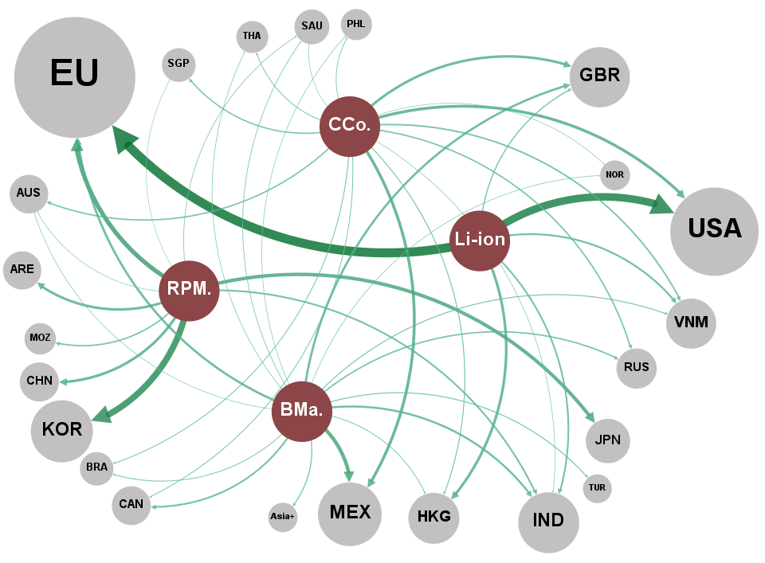
 |  | Network links
Label | Attribute | Source | Target | Weight
Li-ion | Category | BMa. | MEX | 12.0
RPM. | Category | BMa. | UE | 7.5
BMa. | Category | BMa. | GBR | 7.4
CCo. | Category | BMa. | IND | 6.8
UE | Country | BMa. | CAN | 5.7
USA | Country | BMa. | RUS | 4.7
KOR | Country | BMa. | NES_Asia | 3.7
CHN | Country | BMa. | TUR | 3.4
JPN | Country | BMa. | VNM | 3.4
MEX | Country | BMa. | BRA | 2.8
ARE | Country | BMa. | HKG | 2.8
HKG | Country | BMa. | SAU | 2.4
GBR | Country | BMa. | PER | 2.2
TUR | Country | BMa. | THA | 2.1
IND | Country | BMa. | NOR | 2.1
VNM | Country | BMa. | PHL | 2.0
CAN | Country | BMa. | AUS | 2.0
MOZ | Country | BMa. | ZAF | 1.8
RUS | Country | BMa. | EGY | 1.3
AUS | Country | BMa. | COL | 1.2
SGP | Country | BMa. | MKD | 1.1
Asia+ | Country | BMa. | CHL | 1.0
BRA | Country | CCo. | MEX | 9.6
THA | Country | CCo. | USA | 9.5
PHL | Country | CCo. | GBR | 8.4
SAU | Country | CCo. | VNM | 5.0
PER | Country | CCo. | RUS | 4.6
NOR | Country | CCo. | AUS | 4.5
ZAF | Country | CCo. | SGP | 4.3
CHE | Country | CCo. | HKG | 3.3
EGY | Country | CCo. | BRA | 3.0
DZA | Country | CCo. | THA | 2.9
MAR | Country | CCo. | CAN | 2.9
...

Figure 7
Title | Market shares (sales in 2023) by lithium-ion battery manufacturer for electric vehicles
Source | Authors from SNE Research (2024) data.

KOREA Rep.
 | Others | Others | 11.7%
 | CHINA | CATL | 30.6%
 | CHINA | BYD | 10.6%
 | CHINA | CALB | 2.4%
 | CHINA | EVE | 2.3%
 | CHINA | Guoxuan | 1.8%
 | CHINA | Farasis | 1.8%
 | CHINA | Sunwoda | 1.1%
 | CHINA | SVOLT | 1.0%
 | KOREA Rep. | LGES | 16.4%
 | KOREA Rep. | SDI | 7.8%
 | KOREA Rep. | SK On | 7.5%
 | JAPAN | Panasonic | 3.6%
 | JAPAN | PPES | 1.0%
 | JAPAN | AESC | 0.6%

KOREA Rep.

Figure 8
Title | Evolution and location of European lithium-ion battery production capacities
Source | Authors from Ratel Consulting (2023) data.

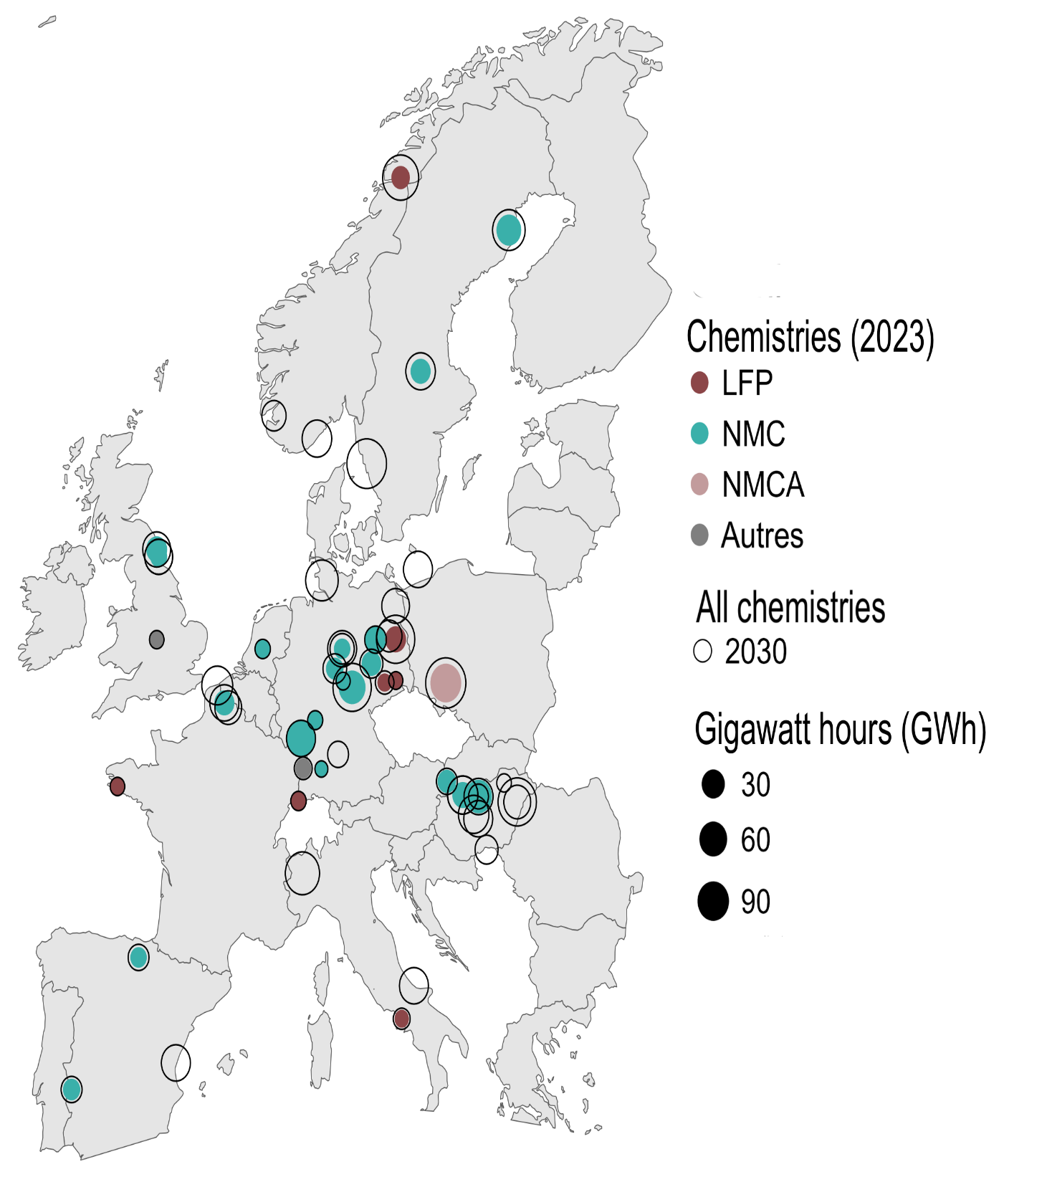
 | Year | Capacity | Chemistry | Longitude | Latitude |  | 2023 | 2030
 | 2023 | 10 | LFP | 13.8204336 | 52.4240211 | North America | 295.3 | 1405.2
 | 2023 | 5 | LFP | 14.1419749 | 66.3137122 | China | 1290.2 | 3538.6
 | 2023 | 1 | LFP | 7.5885761 | 47.5595986 | Europe | 281.9 | 1784.9
 | 2023 | 0.5 | LFP | 13.1167196 | 51.1229322
 | 2023 | 0.5 | LFP | -4.027388 | 47.996387
 | 2023 | 0.4 | LFP | 14.2134347 | 41.0085381
 | 2023 | 0.3 | LFP | 13.8321542 | 51.1831331
 | 2023 | 40 | NMC | 7.7491265 | 49.4400657
 | 2023 | 30 | NMC | 11.0287364 | 50.9777974
 | 2023 | 30 | NMC | 19.1401 | 47.6942
 | 2023 | 22 | NMC | 21.0869038 | 64.7343288
 | 2023 | 12 | NMC | 12.5316444 | 52.4125287
 | 2023 | 10 | NMC | -1.510277 | 55.126957
 | 2023 | 9.8 | NMC | 18.1267006 | 47.7390852
 | 2023 | 8 | NMC | 2.83204 | 50.510541
 | 2023 | 8 | NMC | 15.4234561 | 60.4856426
 | 2023 | 7.5 | NMC | 19.1402 | 47.6943
 | 2023 | 7.5 | NMC | 18.1267006 | 47.7390852
 | 2023 | 7 | NMC | 12.264448 | 51.6914384
 | 2023 | 5 | NMC | 17.1077477 | 48.1485965
 | 2023 | 3.5 | NMC | 9.9158 | 51.5413
 | 2023 | 3 | NMC | -6.9706535 | 38.8794495
 | 2023 | 2.5 | NMC | -1.38145 | 54.904449
 | 2023 | 2 | NMC | -2.6732421 | 42.8531869
 | 2023 | 2 | NMC | 10.3899126 | 52.1378659
 | 2023 | 1 | NMC | 5.291266 | 52.132633
 | 2023 | 0.5 | NMC | 8.6634007 | 49.9914663
 | 2023 | 0.3 | NMC | 10.451526 | 51.165691
 | 2023 | 0.1 | NMC | 9.0576448 | 48.5216364
 | 2023 | 50 | NMCA | 17.0385376 | 51.1078852
 | 2023 | 1.5 | Autre | 7.8935135 | 48.5411474
 | 2023 | 0.5 | Autre | -1.5089521 | 52.4128163
 | 2030 | 115 | 2030 | 17.0385376 | 51.1078852
 | 2030 | 110 | 2030 | 11.9670171 | 57.7072326
 | 2030 | 100 | 2030 | 21.6259782 | 47.531399
 | 2030 | 100 | 2030 | 11.0287364 | 50.9777974
 | 2030 | 100 | 2030 | 13.8204336 | 52.4240211
 | 2030 | 83 | 2030 | 14.1419749 | 66.3137122
 | 2030 | 70 | 2030 | 7.8410536 | 45.3845256
 | 2030 | 60 | 2030 | 21.0869038 | 64.7343288
 | 2030 | 60 | 2030 | 9.0929015 | 54.1948456
 | 2030 | 50 | 2030 | 2.3767763 | 51.0343684
 | 2030 | 47.3 | 2030 | 18.1267006 | 47.7390852
 | 2030 | 47.3 | 2030 | 18.1267006 | 47.7390852
 | 2030 | 47.3 | 2030 | 18.82853 | 47.15765
 | 2030 | 43 | 2030 | 8.7724499 | 58.4617568
 | 2030 | 43 | 2030 | 15.4234561 | 60.4856426
 | 2030 | 40 | 2030 | 14.9952839 | 42.0005331
...

