Figure 1
Title | Impact of SCentral on world trade and world GDP in 2030, percentage change as compared to the baseline
Source | MIRAGE-Power, CEPII, and authors’ calculation.
Exports (volume) | -3.429202
World GDP (volume) | -0.520035

 | Variable | 2030
 | Exports (volume) | -3.4
 | World GDP (volume) | -0.5

Figure 2
Title | Impact of SCentral on bilateral trade flows in value at FOB prices in 2030, percentage change as compared to the baseline
Source | MIRAGE-Power, CEPII, and authors’ calculation.
Note | Strategic trade relations only; green arrows indicate increases in trade, grey arrows decreases in trade; the width of the variation is proportional to the intensity of the variation.

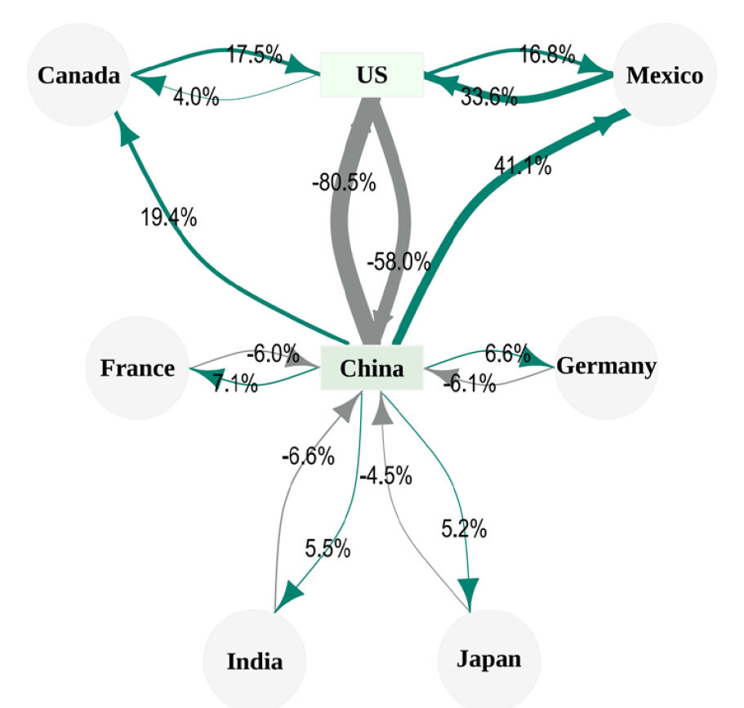

Figure 3
Title | US customs revenue with unique customs duties on all imports - US$ bn
Source | MIRAGE-Power, CEPII, and authors'calculation.

 |  | Tariff | Tariff revenue (billion USD)
 |  | 10% | 312.8
 |  | 20% | 487.2
 |  | 30% | 611.1
 |  | 40% | 697.6
 |  | 50% | 755.7
 |  | 60% | 792.2
 |  | 70% | 812.1
 |  | 80% | 819.3
 |  | 90% | 816.7
 |  | 100% | 806.7
 |  | 120% | 771.541
 |  | 140% | 724.397
 |  | 160% | 672.065

