Graph 1
Title | More diversified and productive research teams in the manufacturing sector
Subtitle | Number of inventors per patent, share of foreign inventors in research teams, and number of patents per company in France
Sources | Authors' calculations from INSEE, Annual Declaration of Social Data (DADS) and Orbis

 |  | Share of foreign inventors per patent | Inventors by patent | Patents by company (right axis)
 | 1995 | 0.98459 | 1.648109 | 11.37343
 | 1996 | 2.20994 | 1.705878 | 14.11175
 | 1997 | 2.8675 | 1.65125 | 17.82216
 | 1998 | 3.18003 | 1.747573 | 24.75512
 | 1999 | 3.20167 | 1.761382 | 26.76721
 | 2000 | 3.28829 | 1.78758 | 27.55172
 | 2001 | 3.21975 | 1.78907 | 31.352
 | 2002 | 4.26224 | 1.854343 | 38.34124
 | 2003 | 4.1419 | 1.891594 | 40.66432
 | 2004 | 3.4229 | 1.836497 | 41.77927
 | 2005 | 4.54781 | 1.91934 | 44.33716
 | 2006 | 3.32531 | 1.897533 | 39.32304
 | 2007 | 3.29334 | 1.869944 | 43.75687
 | 2008 | 4.47449 | 1.892312 | 34.58009
 | 2009 | 4.20329 | 1.948396 | 38.77223
 | 2010 | 4.86975 | 1.995114 | 42.2675

Graph 2
Title | Skilled foreign workers help increase the number of patents by being allocated more to technical jobs
Subtitle | Effect of a 1 percentage point increase in skilled immigrant workers in a department on the number of patents filed by department companies and their share in technical and communication tasks
Sources | Mayda et al. (2022)

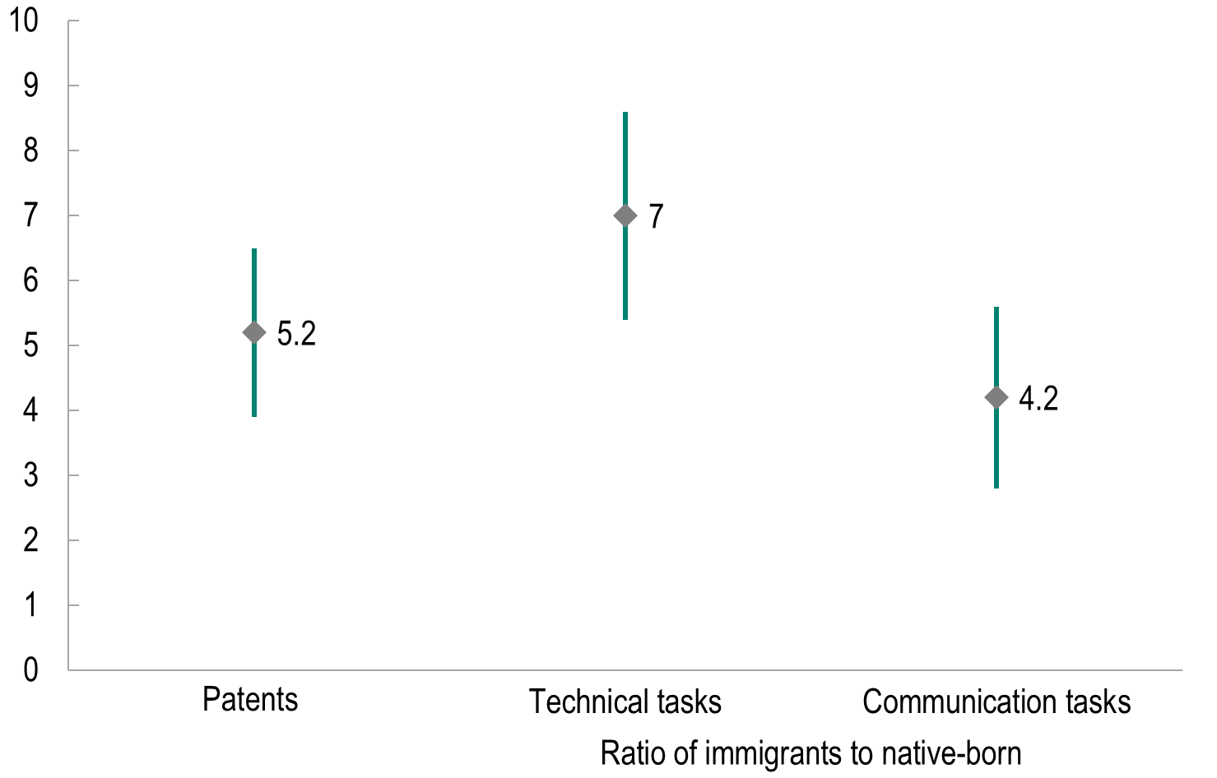
 |  |  | Patents | Ratio of immigrants to native-born
 |  |  |  | Technical tasks | Communication tasks
 |  | Max | 6.5 | 8.6 | 5.6
 |  | Min | 3.9 | 5.4 | 2.8
 |  | Close | 5.2 | 7.0 | 4.2

Graph 3
Title | The share of skilled immigrants in employment is low in France
Subtitle | Share of immigrants with higher education diplomas in employment
Sources | Authors' calculations based on OECD, Database on Immigrants in OECD and Non-OECD Countries and Penn World Tables (version 10)

 |  |  | 2000/2001 | 2015/2016
 | CAN | Canada | 9.6 | 16.8
 | GBR | United Kingdom | 3.5 | 8.4
 | USA | United States | 4.2 | 7.5
 | FRA | France | 2.5 | 4.3
 | DEU | Germany | 2.0 | 4.2

