Figure 1
Title | The increase in exposure to trade is concentrated in certain départements
Subtitle | Change in employment exposure to trade between 1988 and 2021, by département (in dollars per worker)
Sources | Authors' calculations based on data from the 1982 census and the COMTRADE database.

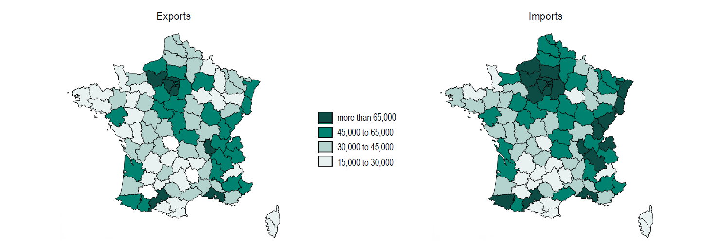

Figure 2
Title | An increase in the anti-globalisation content of manifestos and anti-globalisation votes
Subtitle | Share of anti-globalisation content in party manifestos and anti-globalisation votes in the first round of the French presidential election
Notes | The share of anti-globalisation content corresponds to the share of anti-globalisation sentences (net of pro-globalisation sentences) in all the manifestos in the first round of the presidential elections. The share of anti-globalisation votes corresponds to the anti-globalisation index in Box 2 calculated at national level, i.e. with the share of votes cast for each candidate not at departmental, but at national level.
Sources | Authors' calculations based on candidates' manifestos and results of presidential elections.

 |  | Share of anti-globalization vote | Share of anti-globalization content
 | 1981 | 0.8704618 | 0.60531668
 | 1988 | 1.158885 | 0.83619142
 | 1995 | 3.99883 | 3.7944056
 | 2002 | 1.893836 | 1.6414698
 | 2007 | 4.927103 | 3.3756969
 | 2012 | 6.205499 | 3.924802
 | 2017 | 5.9769 | 3.5401732
 | 2022 | 6.334284 | 3.9619877

Figure 3
Title | An increase in anti-globalisation votes unevenly distributed across the country
Subtitle | Share of anti-globalisation votes in the first round of the French presidential election in 1988 and 2022
Sources | Authors' calculations based on candidates' manifestos and results of presidential elections.

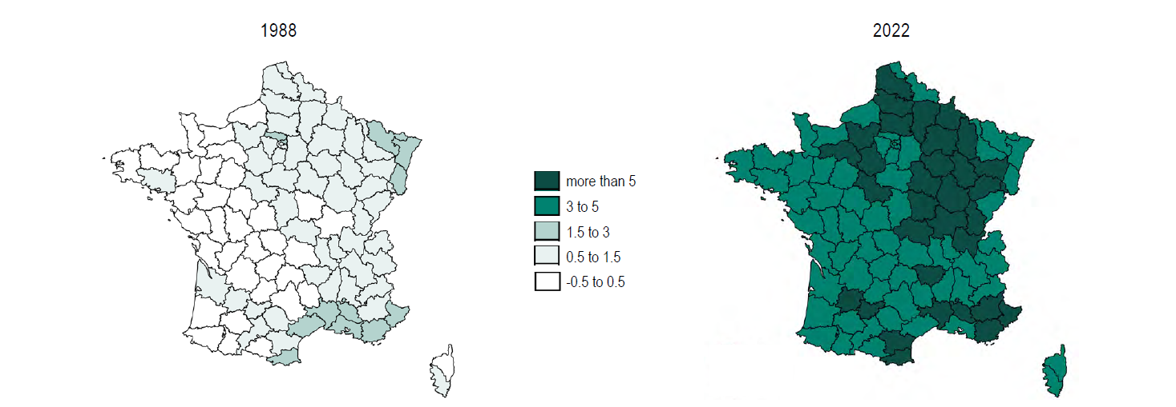

Figure 4
Title | International trade shapes the anti-globalisation vote
Subtitle | Effects of exposure to international trade on the share of anti-globalisation votes
Notes | The diamonds represent the value of the estimated coefficients; the vertical lines, the 95% confidence intervals. When these lines do not intersect the x-axis at zero, the coefficient is statistically significant: exposure to international trade has an effect on the anti-globalisation vote. The explanatory variables in the model are standardised so that the estimated coefficient indicates the percentage point change in the anti-globalisation vote in response to a one standard deviation increase in these variables.
Source | Bouët, A., Edo, A. & Emlinger, C. (2024). Does trade exposure explain anti-globalization votes ? CEPII Working Paper, forthcoming.

